ALL Teacher Overview
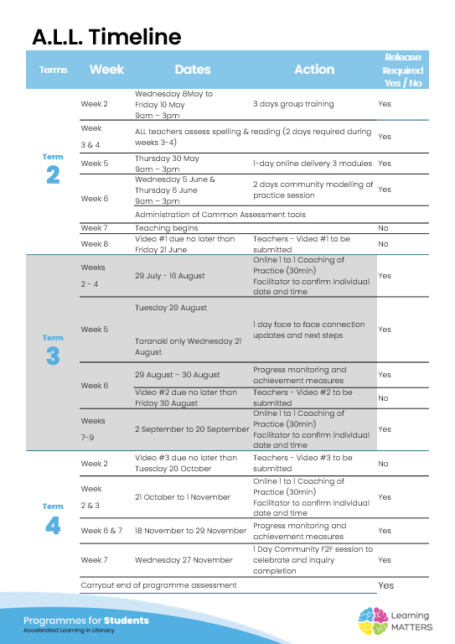

Roadmap
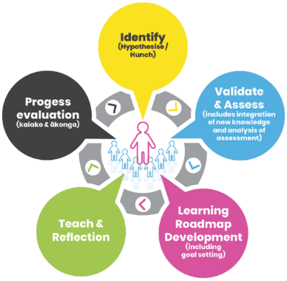 |  | The Inquiry cycle understood …
 |  | Hunch | What do you suspect is the cause of literacy underachievement?
 |  | Validate and Assess | Once you have completed all assessments has your hunch been validated and or is further assessment or knowledge building necessary?
 |  | Roadmap Actions | Now you have greater knowledge and relevant assessment findings what steps will you take?
 |  | Goal Setting | Write a goal for you as the teacher that reflects your aspirations to continue to improve both knowledge and practice and also a goal for your group of students.
 |  | Teaching | What will the key components of your teaching sessions include for this group of Tier 2 students?
 |  | Reflection | You will be required to reflect throughout your roadmap at regular intervals, particularly after observations and coaching sessions.
 |  | Progress evaluation | At the beginning of Term 3 and again at the end of term 4 you will evaluate the progress both you and your students have made.

Roadmap for implementation and tracking progress and actions
Now use the information and reflections above to map out your roadmap and set goals for your inquiry. ALL participants will be required to keep a journal of their progress and actions. This will assist in monitoring achievements and progress towards teacher and student goals.
Term 2 Goal Setting
Teacher goal
Student outcome goals

Term 2 Roadmap
Week | Focus | Teacher Actions | Reflection and next steps
3
4
5
6
7 | CVC Lesson 1 from #4 | Taught the whole class the closed syllable open syllable lesson and taught my group the CVC lesson 1 from #4. | Need to email and ask why it is not Chrome casting onto the TV. I think I might just go back to using my word cards that are relavent to sound being taught. Chloe is struggling to keep up with the others in her group. They already know their sounds so I am going to skip ahead to lesson 4 week #4
8
9
10

Term 2 Evaluation & Term 3 Goal Setting
Student progress and next steps
Teacher progress and next steps

Term 3 Roadmap
Week | Focus | Teacher Actions | Reflection and next steps
1
2
3
4
5
6
7
8
9
10

Term 3 Evaluation & Term 4 Goal Setting
Student progress and next steps
Teacher progress and next steps

Term 4 Roadmap
Week | Focus | Teacher Actions | Reflection and next steps
1
2
3
4
5
6
7
8

Term 4 Evaluation & Final Reflections
Student progress and next steps
Teacher progress and next steps

